DT

Component Connector Part Number |  |  |  |  | Harness Connector Part Number : Comments
J205:231347/A;1 |  |  |  |  | MU5T-19C042-BZA:TCU Backward Compatibility
Signal Name |  |  | Signal Abbr | Pin Number | Component Terminal Plating | Harness Terminal Plating | Special Wire
VMM25:ANTENNA - CELLULAR SECONDARY + |  |  | CELLULAR SECOND + | J205-1 | Gold | Gold
FMT25:ANTENNA - V2X # GLOBAL POSITIONING SYSTEM L1+L5 |  |  | GPS L1+L5 (+) | J205-2 | Gold | Gold
NC20:NO CONNECTION-20 |  |  | NC20 | J205-3 | Gold | Gold
VMM22:ANTENNA - CELLULAR + |  |  | CELLULAR + | J205-4 | Gold | Gold
DMM25:ANTENNA - CELLULAR SECONDARY D |  |  | CELLULAR SECOND D | J205-5 | Tin | Tin
DMT25:ANTENNA - V2X # GLOBAL POSITIONING SYSTEM L1+L5 SHIELD |  |  | GPS L1+L5 (D) | J205-6 | Tin | Tin
NC21:NO CONNECTION-21 |  |  | NC21 | J205-7 | Tin | Tin
DMM22:ANTENNA - CELLULAR D |  |  | CELLULAR D | J205-8 | Tin | Tin

Component Connector Part Number |  |  |  |  | Harness Connector Part Number : Comments
J206:231346/A;1 |  |  |  |  | NU5T-19C042-EA:TCU Backward Compatibility
Signal Name |  |  | Signal Abbr | Pin Number | Component Terminal Plating | Harness Terminal Plating | Special Wire
VMT27:ANTENNA - VEHICLE TO EVERYTHING # SIGNAL REAR |  |  | V2X SIG RR | J206-1 | Gold | Gold
VMM43:ANTENNA - CELLULAR SECONDARY DRX2 + |  |  | CELLULAR DRX2 + | J206-2 | Gold | Gold
VMM42:ANTENNA - CELLULAR SECONDARY DRX1 + |  |  | CELLULAR DRX1 + | J206-3 | Gold | Gold
VMT26:ANTENNA - VEHICLE TO EVERYTHING # SIGNAL FRONT |  |  | V2X SIG FRT | J206-4 | Gold | Gold
DMT27:ANTENNA - VEHICLE TO EVERYTHING # SIGNAL RETURN SHIELD REAR |  |  | V2X SIG RTN SHLD RR | J206-5 | Tin | Tin
DMM43:ANTENNA - CELLULAR SECONDARY DRX2 D |  |  | CELLULAR DRX2 D | J206-6 | Tin | Tin
DMM42:ANTENNA - CELLULAR SECONDARY DRX1 D |  |  | CELLULAR DRX1 D | J206-7 | Tin | Tin
DMT26:ANTENNA - VEHICLE TO EVERYTHING # SIGNAL RETURN SHIELD FRT |  |  | V2X SIG RTN SHLD FRT | J206-8 | Tin | Tin

 | Connector Pin-Out - View Looking Into the Face of the Connector on Component J205:231347/A [J205_A_2D_3D.jpg] |  |  |  |  |  | Mating Connector Pin-Out - View Looking Into the Face of the Mating Connector NU5T-19C042-EA/A [nu5t-19c042-ea.1.png]:TCU Backward Compatibility

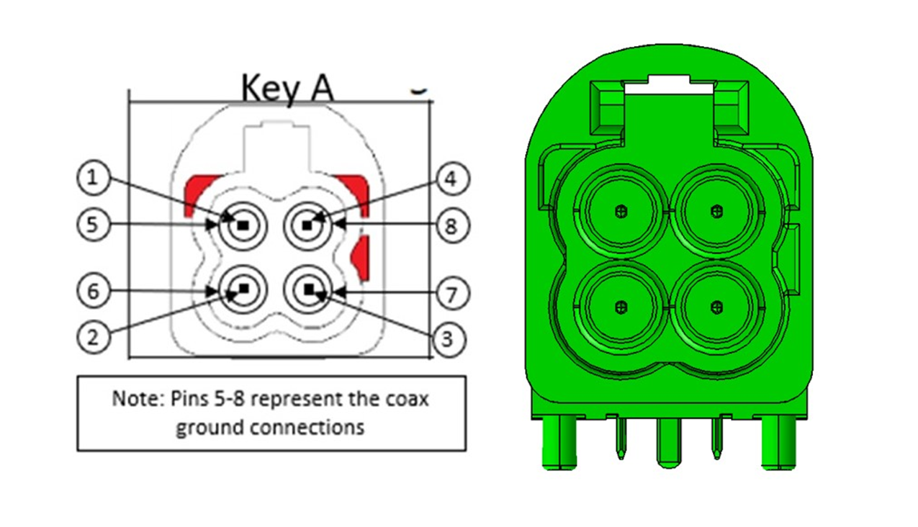
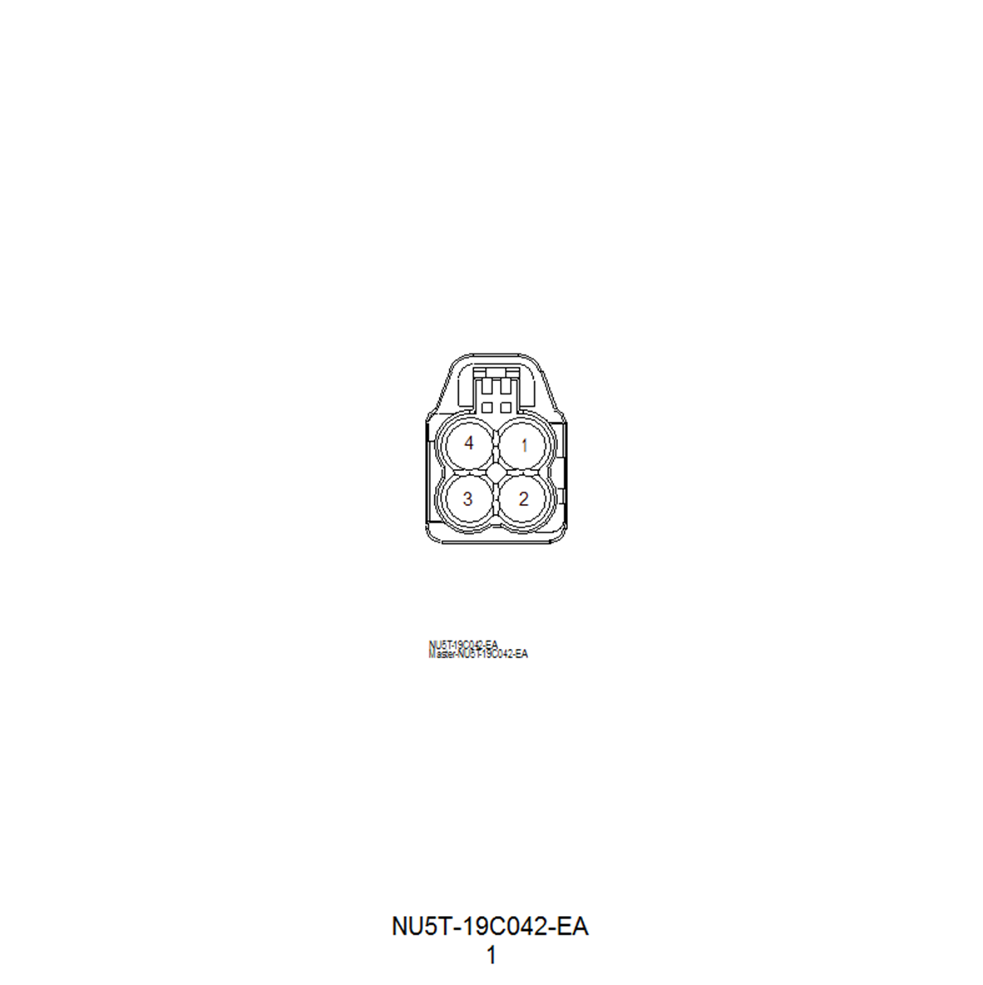

 |  | Connector Pin-Out - View Looking Into the Face of the Connector on Component J205:231347/A [J205_A_2D_3D.jpg] |  |  |  |  | Mating Connector Pin-Out - View Looking Into the Face of the Mating Connector MU5T-19C042-BZA/A [mu5t-19c042-bza.1.png]:TCU Backward Compatibility

